Table 1
Supporting Information:
Text S1: Vertical tectonic correction
A primary indicator of long-term tectonic stability is the elevation of previous interglacials, particularly the Last Interglacial from ~130-118 ka BP (MIS 5e). If MIS5e occurs within about 10 m of present sea level, the region is assumed to have been stable within 0.1 mm/year and any contribution to LGM sea levels is ~±2 m. Where these shorelines lie further from present sea level, their elevation hLIG provide a first-order measure of long-term tectonic uplift rate
T
!  | (, t)  (hLIG |  |   | LIG | ) / TLIG
where TLIG is the age of MIS5e (125±5 ka) and ΔLIG is the expected sea level in the absence of tectonics, assumed here to be at 5±5 m to allow for both the lesser ice during the LIG and the GIA spatial variability expected across far field sites (1–3). The tectonic correction and its accuracy at time t is  (, t)  !  (, t)  t
 2  (!  |  | /  )2  ( 2   2 ) / T 2  (h |  |  |  |  |  |  |   |  | )2 2 / T 4
h T t |  |  | h( LIG ) |  |  |  ( LIG ) | LIG | LIG |  | LIG |  | T ( LIG ) | LIG
The Huon Peninsula, Papua New Guinea, is an area of rapid uplift with the LIG reefs of earlier interglacial reefs at elevations of 1000 m and more with rates of uplift that vary with location (4). The Holocene data is from Sialum (Kwamba) with an uplift rate of 1.9 m ka-1 (5), whereas the MIS3 data is from the Kanzarua and Bobongara sections with uplift rates of 2.8 and 3.4 m ka-1 respectively (6). These are average rates over 100,000 years but at least in the case of Sialum the uplift rate over the past 6,000 years is consistent with that for the longer interval.
Tahiti, a relatively young volcanic load, is subject to subsidence from the loading of the lithosphere by the volcanic complex and, to a lesser degree, from the thermal contraction of a cooling lithosphere. The volcanic load is relatively young (~106 years) and the relaxation time for the oceanic lithosphere for this region may be of the order of ~107 years (7), yielding a subsidence rate of about 0.1 mm/year or only about 1 m over 10,000 years. This is the value adopted here with an uncertainty of 50% (see (8) for a further discussion).
Barbados is a slowly uplifting and faulted island with MIS5e reefs at elevations from 60 to 24 m above present sea level (9). Onshore of the core sites this reef occurs at ~ 35 m but the offshore extension of the faults is unknown. We adopt this value here with an uncertainty of ±10 m.
Sea level estimates from within the large river deltas of Asia may be subject to subsidence from both compaction of the sediment subsequent to the formation of the sea-level marker as well as from the lithosphere-mantle response to the time-dependent sediment load. The first of these will be restricted to the delta region itself whereas the latter will extend beyond the confines of the delta and sea-floor fan. Calculations for a similar-scale Mississippi delta suggest that this is small beyond about 100 km of the load (10). Hence we have only used data from areas beyond the delta.
1. Kopp RE, Simons FJ, Mitrovica JX, Maloof AC, Oppenheimer M (2009) Probabilistic assessment of sea level during the last interglacial stage. Nature 462:863–7. 2. Dutton A, Lambeck K (2012) Ice volume and sea level during the last interglacial. Science 337:216–9. 3. Lambeck K, Purcell A, Dutton A (2012) The anatomy of interglacial sea levels: The relationship between sea levels and ice volumes during the Last Interglacial. Earth Planet Sci Lett 315-316:4–11. 4. Chappell J (1974) Geology of Coral Terraces, Huon Peninsula, New Guinea: A Study of Quaternary Tectonic Movements and Sea-Level Changes. Geol Soc Am Bull 85:553–570. 5. Chappell J, Polach H (1991) Post-glacial sea-level rise from a coral record at Huon Peninsula, Papua New Guinea. Nature 349:147–149.
T T
6. Yokoyama Y, Esat TM, Lambeck K (2001) Last glacial sea-level change deduced from uplifted coral terraces of Huon Peninsula, Papua New Guinea. Quat Int 83-85:275–283. 7. Lambeck K (1981) Lithospheric response to volcanic loading in the Southern Cook Islands. Earth Planet Sci Lett 55:482–496. 8. Lambeck K, Yokoyama Y, Purcell T (2002) Into and out of the Last Glacial Maximum: sea-level change during Oxygen Isotope Stages 3 and 2. Quat Sci Rev 21:343–360. 9. Radtke U, Grün R, Schwarcz HP (1988) Electron spin resonance dating of the Pleistocene coral reef tracts of Barbados. Quat Res 29:197–215. 10. Simms AR, Lambeck K, Purcell A, Anderson JB, Rodriguez AB (2007) Sea-level history of the Gulf of Mexico since the Last Glacial Maximum with implications for the melting history of the Laurentide Ice Sheet. Quat Sci Rev 26:920–940.

Table 2
!!!!!(!) !
!!!
!
Text S2: Bayesian partition modelling
Fig. S1 shows a simple example of the Bayesian partition methodology used to recover the ice volume equivalent sea level (esl) curves in this study. Data (the filled circles in (A) are given in the form of noisy estimates of esl as a function of time and the regression problem is to recover the underlying signal parameterized using a series of linear segments determined by a set of control points (blue squares). The Bayesian partition modelling provides an objective framework for signal reconstruction in which the complexity of the sought after curve is determined by the data itself rather than imposed at the outset. It is highly flexible since the position of the control points may vary in both the vertical (D) and horizontal (X) directions, with the exception of the first and last which may only vary in the vertical direction. In addition the number of control points, and consequently the number of linear segments in the esl curve, may also vary, and is adjusted as the algorithm progresses.
Allowing the number of unknowns to vary means that it would be meaningless to simply optimize the fit to the data because the data could always be fit perfectly by introducing as many linear segments as there are data. Instead Bayesian partition modelling provides a parsimonious estimation of the underlying signal through sampling of an a posteriori probability density function (PDF) on the unknowns (1, 2). The Bayesian framework requires definition of the usual data likelihood function and a priori PDF on the unknowns, the a posteriori PDF on the model parameters is then the product of the two according to Bayes’s rule. Under the assumption that each datum !!, is contaminated with independent Gaussian noise of known standard deviation !!, the likelihood function is the standard multi-dimensional Gaussian
!
! ! ! = [2!! !!]!!/! exp − | !!! ,
where ! represents the N-vector of data, ! the k-vector of model parameters and !!(!) the height of the linear segment curve at the location of the ith-datum (Fig. S1(A). The a priori PDF for the model parameters are chosen to be uniform between upper and lower bounds in all cases. For both the vertical and horizontal position of the control points the prior bounds are set to the corresponding limits of the data, and the number of control points set to a maximum of 10 in the example of Fig. S1, and to 40 for the esl data in the main body of the paper.
!!!!!(!) !
!!!
!
Bayes’ rule is used to combine the likelihood and prior PDFs to give
! ! ! ∝ [2!! !!]!!/! exp − | ! !!! | , for ! ∈ M
which is the a posteriori PDF of the model parameters given the data. Here the model vector ! of control points has k unknowns, where k is itself an unknown. We call this a trans-dimensional inverse problem since the parameter space varies in dimension. Solution of the inverse problem provided by Bayesian partition modelling takes the form of an ensemble of model vectors, !!(! = 1, … , !!), whose density is distributed according to the trans-dimensional a posteriori PDF ! ! ! . The ensemble is generated using the birth-death Markov chain Monte Carlo algorithm of (3). In essence this involves a series of
random perturbations in each model parameter that are either accepted or rejected according to probabilistic decision rules. Once obeyed, these rules allow the Markov chain to relax to any targeted probability distribution. Transitions between models of different dimension (i.e. with different numbers of linear segments) are handled by proposing a ‘birth’ of a control point randomly in X, or ‘death’ of an existing control point, again following acceptance rules which ensure asymptotic convergence of the chain. Implementation requires choices to be made on the size of perturbations of each parameter that influences the rate of convergence and hence overall efficiency of the process. Other implementation details are given in (4), although here, as shown in Fig. S1(A), linear segments are used to create a continuous curve rather than zero-order polynomials which is more appropriate when data are expected to contain discontinuities.
In this Bayesian approach the entire ensemble is thought of as the ‘solution’ to the inverse problem, properties of which are then examined for inspection. For the example in Fig. S1(A)the resulting posterior ensemble is shown in Fig. S1(B)as a density plot, together with the ensemble mean which is taken as the average of the collected curves at each point along the X axis, and 95% confidence intervals. Here the ensemble comprises 106 linear segment-curves with between 1 and 7 segments. For this example the ensemble mean is a good recovery of the original signal (gray curve in Fig. S1(A)) and captures the major change points in the gradient. The two smallest gradient changes at locations X=5 and 8.5 are not recovered due to the relatively large noise on the data. Fig. S1(C)shows a histogram of the X positions of the control parameter (squares in Fig. S4-A) which provides an estimate of the probability density of the change points in the signal, i.e. the positions where the gradient changes. As with any PDF the width and height of the histogram indicates relative confidence that may be placed in the locations of the change points. In this example the four largest change points are recovered including two rather close in the range 6 < X < 7, which can be clearly discerned by the double peak of the histogram.
One of the advantages of Bayesian partition modeling is its ability to recover the resolvable signal in the data without imposing the number of degrees of freedom in the model, beyond that contained in choosing the prior. In this way the sampling approach avoids use of explicit data smoothing parameters which appear in optimization approaches and are often chosen in an ad hoc manner. Bayesian inference is also ‘naturally parsimonious’ in that models of higher dimension are not necessarily favored over those of lower dimension when fitting the data (see (5) for an explanation). In the above example, the effectiveness of natural parsimony is seen with a maximum number of control points chosen by the algorithm of just 7 with most models having only 5 segments. In this study the spatial mean model is extracted and taken as an estimate of the underlying signal from the noisy data. Uncertainty estimates, such as the 95% credible intervals (dotted curves in Fig. S1(B), light blue envelope in Fig. 4(B) of the main text) are obtained as a by-product of estimating the ensemble mean as a function of X and may also be a useful output, while uncertainty in the change point position is estimated by the widths of the peaks in histograms such as Fig. S1(C).
1. Denison DGT, Holmes CC, Mallick BK, Smith AFM (2002) Bayesian Methods for Nonlinear Classification and Regression (Wiley, Chichester), 296 pp. 2. Sambridge M, Gallagher K, Jackson A, Rickwood P (2006) Trans-dimensional inverse problems, model comparison and the evidence. Geophys J Int 167:528–542. 3. Geyer CJ, Møller J (1994) Simulation Procedures and Likelihood Inference for Spatial Point Processes. Scand J Stat 21:359–373. 4. Gallagher K et al. (2011) Inference of abrupt changes in noisy geochemical records using transdimensional changepoint models. Earth Planet Sci Lett 311:182–194. 5. MacKay DJC (2003) Information Theory, Inference, and Learning Algorithms (Cambridge University Press, Cambridge).

Table 3
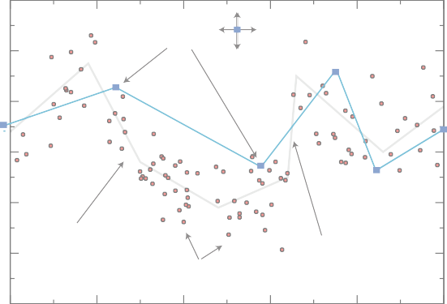
Supporting Information: Figures
A 60 Model control parameters 40
20
0
-20
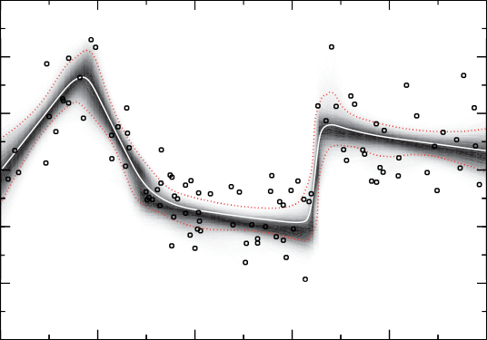
-40 -60 | True signal | Data | Linear segment curve |  |  | 8 10
0 2 4 X 6 B 60
40
20
0
-20
-40
-60 0 C | 2 4 X 6 |  |  |  | 8 10
0 2 4 X Figure S1. |  |  |  | 6 8 10
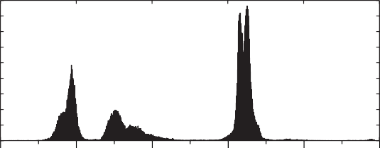 Illustration of Bayesian change point modeling methodology used in this study. (A) 100 synthetic noisy data points (dots) generated from the linear segment curve (gray) with Gaussian noise added. Model parameterization consists of a linear segment curve defined by control points (squares) whose vertical and horizontal position are variable. The Markov chain algorithm randomly adjusts these control parameters and also creates or destroys control points to sample the trans-dimensional posterior probability density function. (B) An estimate of the a posteriori PDF. The mean of the ensemble as a function of X provides an estimate of the underlying signal, whereas uncertainty estimates are obtained on the mean curve from 95% of the ensemble mass as a function of X. (C) A histogram of the control point positions in the ensemble, which provides information on the locations and uncertainty of the places where the gradient changes in the signal.
Figure S2. A: The esl function for the two solutions (the preferred high-viscosity solution in blue and the low- viscosity solution in red) and the nominal esl function corresponding to the ice models that define the isostatic corrections in eqn 3 (yellow). B: The corrective term for the two solutions (same colors as in A). C: Histogram of the estimated gradient change positions for the esl solution corresponding to the high-viscosity solution. The widths of the peaks provide a measure of the uncertainty in the location of the change points.
 | 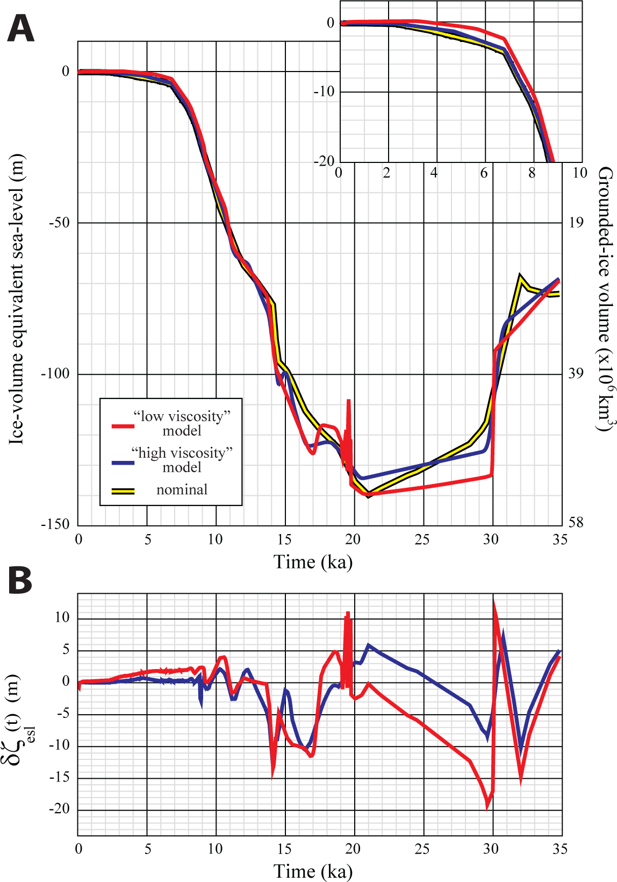 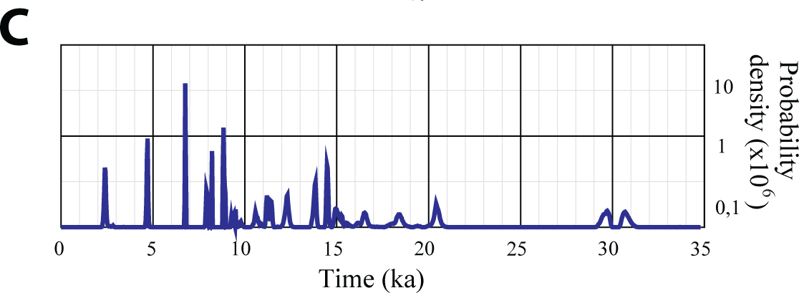

Figure S3. Predicted contours rsl (, t)  esl (, t)   at two epochs, 6 and 20 ka BP (A, B and C, D respectively) for the two earth-model solutions (high-viscosity (A and C) and low-viscosity (B and D) for the lower mantle). For 6 ka  = 0.25 m and for 20 ka  = 2.5% of the equivalent sea level for that epoch. The data sites for this solution are also indicated. One approach to separating earth and ice parameters is to search for the ‘dip-stick’ sites where the glacio- and hydro-isostatic components cancel and rsl (, t)  esl (, t) but the location of such contours do exhibit a dependence on both earth- and ice-parameters as well as varying through time. For example, for the high-viscosity model, Tahiti approximates a dip-stick response at 20 ka (C) but not at 6 ka (A) and Barbados approximates a dip-stick response for the low-viscosity (B and D) model but not for the high- viscosity model (A and C). Thus an a priori assumption that a particular site acts as a dip-stick has the potential to lead to erroneous model parameters.
 | 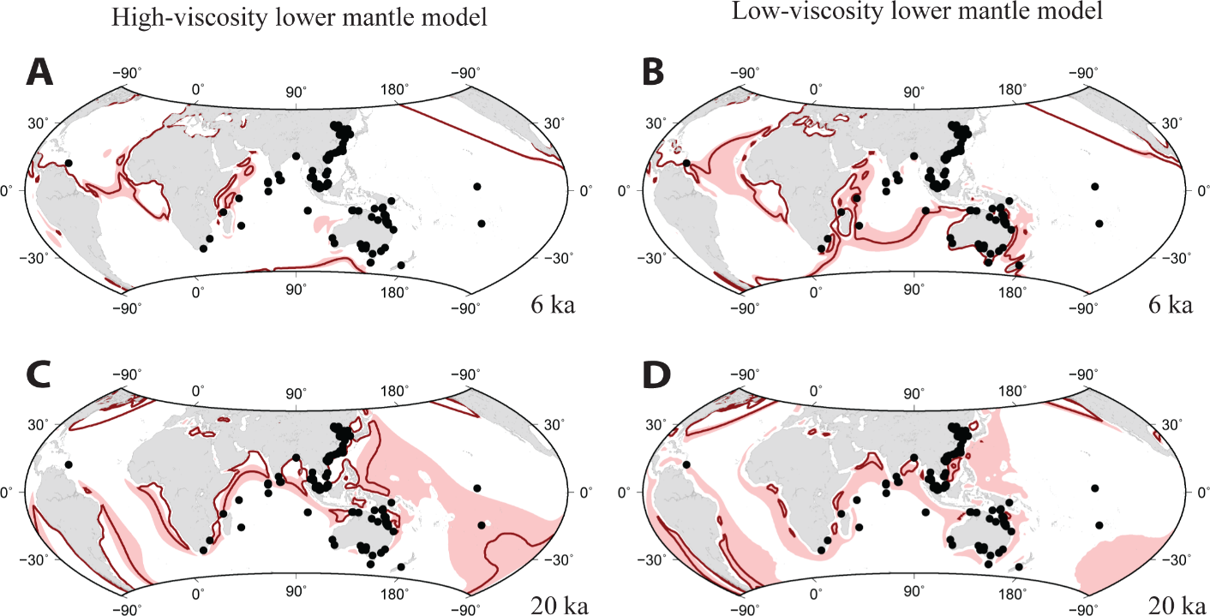
Figure S4. (A) Predicted sea level at five sites that have contributed to the far-field solution for the high-viscosity lower-mantle model and for the second iteration solution for the correction to the nominal esl function parameterized by 1,000 year means (it does not correspond exactly to the final solution illustrated in Fig. 4). This illustrates well the spatial variability in sea level that occurs within the far-field as a result of the earth-ocean response to the changing ice-water load. Of these sites, and for this ice-earth model parameter combination, Tahiti approximates most closely the ice-volume function over the entire period with the gravitational and deformational contributions from the ice sheets in the two hemispheres nearly cancelling out. The largest departure from this occurs within the Malacca Strait location offshore Malacca (site Hv7653 of (1)), which effectively is a far-inland site at times of sea level-lowstands, continuing a trend in spatial variability previously noted for the Sunda Shelf area (2). (The Sunda Shelf site corresponds to 18301-2 of (3)). (B) The same result but for the period about the time of MWP-1A. The most important difference between sites is the depth at which this event occurs but the amplitudes and rates also vary. The rapid change at this time, from 14.5 to 14 ka BP, is the result of changes in the Laurentide ice model derived from the inversion of sea level data from North America with a globally averaged contribution to sea level of ~19 m whereas, due to the elastic and gravitational factors, the local predicted variation ranges from ~14 m at Barbados (35 mm/year) to ~21 m at Tahiti (52 mm/year).
1. Geyh MA, Kudrass H-R, Streif H (1979) Sea-level changes during the late Pleistocene and Holocene in the Straits of Malacca. Nature 278:441–43. 2. Lambeck K, Yokoyama Y, Purcell T (2002) Into and out of the Last Glacial Maximum: sea-level change during Oxygen Isotope Stages 3 and 2. Quat Sci Rev 21:343–360. 3. Hanebuth T, Stattegger K, Grootes PM (2000) Rapid Flooding of the Sunda Shelf: A Late-Glacial Sea-Level Record. Science 288:1033–1035.
 | 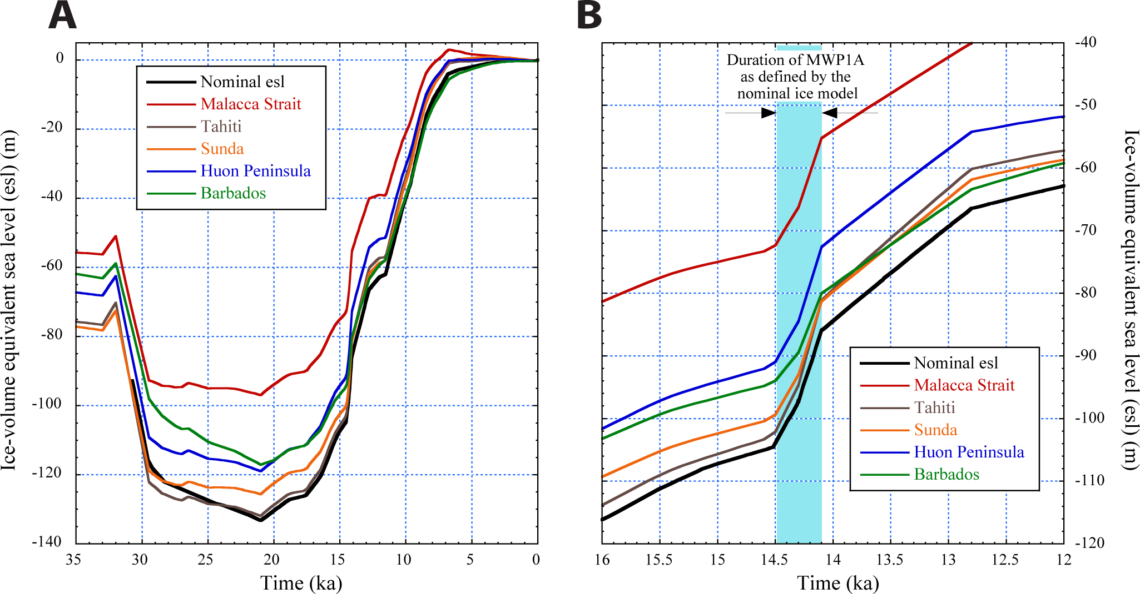
Table S1. Summary of observational evidence for the last 35,000 years used in the analysis. For the corals the depth correction for growth range assumes (i) no geographic variability in growth range of a species, (ii) no time dependence of this growth range and (iii) the growth position is normally distributed about the average value of half the growth range. For Barbados most of the sampled corals included are Acropora palmata that have a well defined growth range of typically 3–7 m below mean sea level for Caribbean reefs (1) and the average growth position adopted for A. palmata is 5±2.5 m below mean sea level. For Porites asteroids species a larger depth range of 8±4m has been adopted although colonies of this species can presently occur at greater depths (2). Age uncertainties t have been introduced into the elevation uncertainties by adding (d / dt) t in quadrature to the uncertainties of the height estimates, using t estimates from the original observations. During the deglaciation phase the gradient  / dt has been approximated by the average value for the sea level rise from 16.5 to 7 ka and will lead to an underestimation at times of very rapid change such as during MWP-1A. Where appropriate, all age data from the China and SE Asia region have been recalibrated using Calib61 of Reimer et al., 2009 (see reference in main text) and tidal corrections have been applied to reduce all data to a common datum of mean sea level.

Table 13
56. Liu J et al. (2010) ECS 0702 Sedimentary record of environmental evolution off the Yangtze River estuary, East China Sea, during the last similar to 13,000 years, with special reference to the influence of the Yellow River on the Yangtze River delta during the last 600 years. Quat Sci Rev 29:2424–2438. 57. Zong Y (1992) Postglacial stratigraphy and sea-level changes in the Han River Delta, China. J Coastal Res 8:1–28. 58. Chen C, Huang B, Wang M (1982) The chronology of Holocene stratigraphy in Fujian coast. Taiwan Strait 1, pp 64–73. 59. Chen Y, Liu T (1996) Sea-level changes in the last several thousand years, Penghu Islands, Taiwan Strait. Quat Res 45:254–262. 60. Liu C, Cao M (1987) The chenier plains of China. International Geomorphology 1986, Part I., ed. Gardiner V (Wiley, New York), pp 1269–1279. 61. Kim JM, Kennett JP (1998) Paleoenvironmental changes associated with the Holocene marine transgression, Yellow Sea (Hwanghae). Mar Micropaleontol 34:71–89. 62. Wiedicke M, Kudrass H-R, Hübscher C (1999) Oolitic beach barriers of the last Glacial sea-level lowstand at the outer Bengal shelf. Mar Geol 157:7–18. 63. Banerjee PK (2000) Holocene and Late Pleistocene relative sea level fluctuations along the east cost of India. Mar Geol 167:243–260. 64. Katupotha J, Fujiwara K (1988) sea level change on the southwest and south coasts of Sri Lanka. Palaeogeogr Palaeoclimatol Palaeoecol 68:189–203. 65. Gishler E, Hudson JH, Pisera A (2008) Quaternary reef growth and sea level in the Maldives (Indian Ocean). Mar Geol 250:104–113. 66. Kench PS, Smithers SG, McLean RF, Nichol SL (2009) Holocene reef growth in the Maldives: Evidence of a mid-Holocene sea-level highstand in the central Indian Ocean. Geology 37:455–458. 67. Woodroffe CD (2005) Late Quaternary sea-level highstands in the central and eastern Indian Ocean: A review. Glob Planet Change 49:121–138. 68. Wo

min
Table S2. Earth and esl parameter results for the first and second iteration solutions for effective earth-model parameters. For the latter the corrective esl has been attributed to the North American ice sheet for the LGM and late-glacial period and to Antarctica for the Holocene. distributed between the two hemispheres according to the option (iii). The other options for the distribution of the incremental ice yield identical results and the E parameters are insensitive to this choice. These solutions are for 1000 year bin sizes for the parameterization of the esl but solutions for E with smaller bin sizes, likewise, are insensitive to this choice, although solutions with 500 year bin sizes result
in a reduced variance ( 2 |  |  | = 2.64 for the first iteration high-viscosity lower-mantle model compared
with 2.88) indicating that there is higher resolution esl information in the solutions corresponding to Fig. 3 of main text.
Earth parameter High-viscosity lower-mantle Low-viscosity lower-mantle 1st iteration 2nd iteration 1st iteration 2nd iteration
H (km) | 50 | 50 |  | 57 | 65
um (x1020 Pa s) | 1.5 | 1.25 |  | 1.5 | 1.5
lm (x1022 Pa s) | 7.0 | 5.0 |  | 0.2 | 0.2

Table 14
!
2 min |  | 2.88 2.88 2.86 2.82
Table S3. Best estimates of the ice-volume equivalent sea-level function (esl) (column 3) and its accuracy estimate (2 sigma) (column 4). The nominal esl function corresponding to the starting ice model is given in column 2.
time (ka) | nominal esl (m) |  | esl (m) | sigma esl
0 | 0 |  | 0 | 0.0
0.122 | -0.21 |  | -0.16 | 0.07
0.192 | -0.21 |  | -0.16 | 0.07
0.296 | -0.21 |  | -0.16 | 0.07
0.365 | -0.21 |  | -0.16 | 0.07
0.435 | -0.21 |  | -0.16 | 0.07
0.504 | -0.21 |  | -0.17 | 0.07
0.574 | -0.21 |  | -0.17 | 0.07
0.643 | -0.21 |  | -0.17 | 0.07
0.712 | -0.21 |  | -0.18 | 0.07
0.782 | -0.21 |  | -0.18 | 0.07
0.851 | -0.21 |  | -0.19 | 0.07
0.921 | -0.21 |  | -0.19 | 0.07
0.990 | -0.21 |  | -0.2 | 0.07
1.060 | -0.21 |  | -0.2 | 0.07
1.129 | -0.22 |  | -0.2 | 0.07
1.199 | -0.22 |  | -0.21 | 0.07
1.268 | -0.23 |  | -0.21 | 0.07
1.372 | -0.23 |  | -0.22 | 0.07
1.442 | -0.24 |  | -0.22 | 0.07
1.511 | -0.24 |  | -0.23 | 0.07
1.581 | -0.25 |  | -0.23 | 0.07
1.650 | -0.25 |  | -0.24 | 0.07
1.720 | -0.26 |  | -0.24 | 0.07
1.789 | -0.26 |  | -0.24 | 0.07
1.859 | -0.27 |  | -0.25 | 0.07
1.928 | -0.28 |  | -0.25 | 0.07
1.997 | -0.28 |  | -0.26 | 0.07
2.067 | -0.29 |  | -0.26 | 0.07
2.136 | -0.29 |  | -0.27 | 0.07
2.206 | -0.3 |  | -0.27 | 0.07
2.275 | -0.3 |  | -0.27 | 0.07
2.345 | -0.33 |  | -0.28 | 0.07
2.414 | -0.38 |  | -0.29 | 0.07
2.484 | -0.42 |  | -0.32 | 0.07
2.553 | -0.47 |  | -0.35 | 0.07
2.623 | -0.52 |  | -0.38 | 0.07
2.692 | -0.56 |  | -0.41 | 0.07
2.762 | -0.61 |  | -0.44 | 0.07
2.831 | -0.65 |  | -0.47 | 0.07
2.901 | -0.7 |  | -0.51 | 0.07
2.970 | -0.74 |  | -0.54 | 0.07
3.039 | -0.79 |  | -0.57 | 0.07
3.109 | -0.83 |  | -0.6 | 0.07
3.178 | -0.88 |  | -0.63 | 0.07
3.248 | -0.93 |  | -0.67 | 0.07
3.317 | -0.97 |  | -0.7 | 0.07
3.387 | -1.02 |  | -0.73 | 0.07
3.456 | -1.06 |  | -0.76 | 0.07
3.526 | -1.11 |  | -0.8 | 0.07
3.595 | -1.15 |  | -0.83 | 0.07
3.665 | -1.2 |  | -0.86 | 0.07
3.734 | -1.26 |  | -0.89 | 0.07
3.803 | -1.32 |  | -0.93 | 0.07
3.873 | -1.38 |  | -0.96 | 0.07
3.942 | -1.44 |  | -0.99 | 0.07
4.012 | -1.5 |  | -1.02 | 0.07
4.081 | -1.56 |  | -1.06 | 0.07
4.151 | -1.61 |  | -1.09 | 0.07
4.220 | -1.67 |  | -1.12 | 0.07
4.290 | -1.73 |  | -1.15 | 0.07
4.359 | -1.79 |  | -1.19 | 0.07
4.429 | -1.85 |  | -1.22 | 0.07
4.498 | -1.91 |  | -1.25 | 0.07
4.568 | -1.97 |  | -1.28 | 0.07
4.637 | -2.03 |  | -1.32 | 0.07
4.707 | -2.09 |  | -1.36 | 0.07
4.776 | -2.15 |  | -1.43 | 0.07
4.845 | -2.21 |  | -1.52 | 0.07
4.915 | -2.26 |  | -1.6 | 0.07
4.984 | -2.32 |  | -1.69 | 0.07
5.054 | -2.38 |  | -1.77 | 0.07
5.123 | -2.44 |  | -1.86 | 0.07
5.193 | -2.5 |  | -1.94 | 0.07
5.262 | -2.56 |  | -2.03 | 0.07
5.332 | -2.62 |  | -2.11 | 0.07
5.401 | -2.68 |  | -2.2 | 0.07
5.470 | -2.74 |  | -2.28 | 0.07
5.540 | -2.8 |  | -2.37 | 0.07
5.609 | -2.86 |  | -2.45 | 0.07
5.679 | -2.91 |  | -2.54 | 0.07
5.748 | -2.97 |  | -2.62 | 0.07
5.818 | -3.03 |  | -2.71 | 0.07
5.887 | -3.09 |  | -2.79 | 0.07
5.957 | -3.15 |  | -2.88 | 0.07
6.026 | -3.23 |  | -2.96 | 0.07
6.096 | -3.33 |  | -3.05 | 0.07
6.165 | -3.43 |  | -3.13 | 0.07
6.235 | -3.53 |  | -3.22 | 0.07
6.304 | -3.63 |  | -3.3 | 0.07
6.373 | -3.73 |  | -3.39 | 0.07
6.443 | -3.83 |  | -3.47 | 0.07
6.512 | -3.93 |  | -3.56 | 0.07
6.582 | -4.04 |  | -3.64 | 0.07
6.651 | -4.14 |  | -3.73 | 0.07
6.721 | -4.24 |  | -3.81 | 0.07
6.790 | -4.34 |  | -4.01 | 0.14
6.860 | -4.76 |  | -4.46 | 0.14
6.929 | -5.24 |  | -4.93 | 0.14
6.999 | -5.71 |  | -5.39 | 0.14
7.068 | -6.19 |  | -5.86 | 0.07
7.138 | -6.66 |  | -6.32 | 0.07
7.207 | -7.14 |  | -6.78 | 0.07
7.277 | -7.61 |  | -7.25 | 0.14
7.346 | -8.09 |  | -7.71 | 0.14
7.415 | -8.54 |  | -8.17 | 0.07
7.485 | -9 |  | -8.64 | 0.07
7.554 | -9.45 |  | -9.1 | 0.14
7.624 | -9.9 |  | -9.57 | 0.14
7.693 | -10.35 |  | -10.03 | 0.14
7.763 | -10.81 |  | -10.49 | 0.22
7.832 | -11.26 |  | -10.96 | 0.22
7.902 | -11.72 |  | -11.43 | 0.22
7.971 | -12.39 |  | -11.97 | 0.22
8.040 | -13.07 |  | -12.57 | 0.22
8.110 | -13.75 |  | -13.17 | 0.29
8.179 | -14.43 |  | -13.78 | 0.43
8.249 | -15.11 |  | -14.53 | 0.43
8.318 | -15.79 |  | -15.39 | 0.29
8.388 | -16.47 |  | -16.26 | 0.22
8.457 | -17.19 |  | -17.13 | 0.22
8.527 | -18.25 |  | -17.99 | 0.36
8.596 | -19.32 |  | -18.86 | 0.58
8.70 | -20.92 |  | -20.16 | 0.79
8.805 | -22.52 |  | -21.46 | 1.08
8.978 | -25.19 |  | -24.99 | 2.23
9.082 | -26.75 |  | -26.87 | 1.15
9.187 | -28.24 |  | -28.77 | 1.23
9.291 | -29.72 |  | -30.59 | 2.02
9.395 | -31.2 |  | -32.18 | 2.67
9.499 | -32.68 |  | -33.35 | 2.74
9.603 | -34.16 |  | -34.17 | 1.15
9.708 | -35.75 |  | -35.28 | 1.3
9.812 | -37.44 |  | -36.5 | 1.66
9.916 | -39.12 |  | -37.87 | 1.59
10.020 | -40.81 |  | -39.28 | 1.51
10.124 | -42.49 |  | -40.69 | 1.44
10.229 | -44.17 |  | -42.1 | 1.66
10.333 | -45.59 |  | -43.5 | 1.95
10.437 | -46.83 |  | -44.92 | 2.31
10.541 | -48.07 |  | -46.39 | 2.38
10.645 | -49.31 |  | -48.04 | 2.09
10.749 | -50.55 |  | -49.92 | 1.8
10.854 | -51.79 |  | -51.92 | 1.23
10.958 | -53.03 |  | -54.02 | 0.87
11.062 | -54.28 |  | -56.15 | 1.23
11.166 | -55.53 |  | -58.2 | 1.73
11.270 | -56.78 |  | -59.56 | 1.3
11.375 | -58.03 |  | -60.49 | 0.72
11.479 | -59.28 |  | -61.11 | 0.58
11.583 | -60.39 |  | -61.43 | 0.65
11.687 | -61.31 |  | -61.73 | 0.5
11.791 | -62.24 |  | -62.02 | 0.43
11.896 | -63.16 |  | -62.3 | 0.5
12.000 | -64.08 |  | -62.58 | 0.65
12.104 | -64.67 |  | -62.88 | 0.72
12.208 | -65.25 |  | -63.24 | 0.94
12.312 | -65.83 |  | -63.81 | 1.23
12.417 | -66.41 |  | -64.75 | 1.3
12.521 | -66.99 |  | -65.89 | 1.3
12.625 | -67.57 |  | -67.06 | 1.15
12.729 | -68.15 |  | -68.22 | 1.08
12.833 | -68.76 |  | -69.38 | 0.94
12.937 | -69.42 |  | -70.54 | 0.87
13.042 | -70.08 |  | -71.71 | 0.87
13.146 | -70.74 |  | -72.87 | 0.87
13.250 | -71.4 |  | -74.03 | 0.94
13.354 | -72.06 |  | -75.19 | 1.01
13.458 | -72.74 |  | -76.36 | 1.15
13.563 | -73.42 |  | -77.52 | 1.37
13.667 | -74.1 |  | -78.71 | 1.44
13.771 | -74.78 |  | -80.19 | 1.87
13.875 | -75.46 |  | -82.67 | 2.38
13.979 | -76.17 |  | -86.14 | 2.09
14.084 | -76.93 |  | -89.74 | 1.51
14.188 | -82.05 |  | -93.34 | 1.01
14.292 | -87.98 |  | -96.94 | 0.87
14.396 | -91.66 |  | -100.53 | 1.15
14.500 | -95.14 |  | -103.1 | 2.09
14.605 | -96.23 |  | -102.66 | 2.38
14.709 | -96.76 |  | -101.48 | 1.37
14.813 | -97.29 |  | -100.29 | 2.31
14.917 | -97.82 |  | -99.44 | 3.24
15.021 | -98.36 |  | -99.5 | 3.24
15.125 | -99.01 |  | -100.39 | 3.24
15.203 | -100.03 |  | -101.82 | 3.53
15.334 | -101.05 |  | -103.96 | 2.88
15.438 | -102.06 |  | -106.7 | 3.68
15.542 | -103.08 |  | -109.1 | 5.91
15.646 | -104.1 |  | -111.08 | 5.62
15.751 | -105.13 |  | -112.84 | 4.97
15.855 | -106.19 |  | -114.53 | 4.25
15.959 | -107.25 |  | -116.18 | 3.6
16.063 | -108.3 |  | -117.79 | 3.32
16.167 | -109.36 |  | -119.3 | 3.17
16.272 | -110.41 |  | -120.66 | 2.88
16.376 | -111.41 |  | -121.9 | 2.88
16.480 | -112.39 |  | -122.9 | 3.24
16.584 | -113.04 |  | -123.45 | 3.32
16.688 | -113.63 |  | -123.61 | 3.24
16.792 | -114.21 |  | -123.59 | 2.96
16.897 | -114.79 |  | -123.51 | 2.74
17.001 | -115.37 |  | -123.42 | 2.52
17.105 | -115.95 |  | -123.31 | 2.23
17.209 | -116.54 |  | -123.19 | 2.02
17.313 | -117.12 |  | -123.07 | 1.87
17.418 | -117.7 |  | -122.93 | 1.73
17.522 | -118.28 |  | -122.8 | 1.73
17.626 | -118.84 |  | -122.68 | 1.95
17.730 | -119.3 |  | -122.56 | 2.09
17.834 | -119.77 |  | -122.47 | 2.02
17.939 | -120.23 |  | -122.41 | 1.87
18.043 | -120.7 |  | -122.4 | 1.73
18.147 | -121.16 |  | -122.43 | 1.51
18.251 | -121.62 |  | -122.52 | 1.44
18.355 | -122.09 |  | -122.7 | 1.51
18.460 | -122.56 |  | -123.01 | 1.44
18.564 | -123.02 |  | -123.44 | 1.37
18.668 | -123.49 |  | -123.95 | 1.23
18.772 | -123.95 |  | -124.5 | 1.23
18.876 | -124.42 |  | -125.07 | 1.08
18.980 | -125.41 |  | -125.65 | 1.08
19.085 | -126.42 |  | -126.23 | 1.15
19.189 | -127.42 |  | -126.81 | 1.3
19.293 | -128.43 |  | -127.41 | 1.51
19.397 | -129.43 |  | -128.02 | 1.66
19.501 | -130.43 |  | -128.66 | 1.59
19.606 | -131.44 |  | -129.34 | 1.3
19.710 | -132.44 |  | -130.04 | 1.08
19.814 | -133.45 |  | -130.75 | 1.37
19.918 | -134.45 |  | -131.44 | 1.73
20.022 | -135.35 |  | -132.11 | 2.02
20.127 | -135.85 |  | -132.73 | 1.95
20.231 | -136.34 |  | -133.32 | 1.87
20.335 | -136.82 |  | -133.82 | 1.8
20.439 | -137.3 |  | -134.15 | 1.66
20.543 | -137.77 |  | -134.28 | 1.59
20.648 | -138.24 |  | -134.28 | 1.59
20.786 | -138.86 |  | -134.18 | 1.66
20.925 | -139.48 |  | -134.04 | 1.59
21.064 | -139.66 |  | -133.9 | 1.59
21.203 | -139.31 |  | -133.76 | 1.59
21.342 | -138.96 |  | -133.62 | 1.51
21.481 | -138.61 |  | -133.47 | 1.44
21.620 | -138.27 |  | -133.33 | 1.44
21.759 | -137.94 |  | -133.19 | 1.44
21.898 | -137.61 |  | -133.04 | 1.44
22.037 | -137.27 |  | -132.9 | 1.37
22.176 | -136.92 |  | -132.76 | 1.3
22.419 | -136.29 |  | -132.51 | 1.3
22.558 | -135.93 |  | -132.37 | 1.3
22.697 | -135.57 |  | -132.23 | 1.3
22.836 | -135.21 |  | -132.08 | 1.3
22.974 | -134.86 |  | -131.94 | 1.3
23.113 | -134.59 |  | -131.8 | 1.3
23.252 | -134.35 |  | -131.66 | 1.23
23.391 | -134.1 |  | -131.51 | 1.15
23.530 | -133.85 |  | -131.37 | 1.15
23.669 | -133.61 |  | -131.23 | 1.15
23.808 | -133.36 |  | -131.09 | 1.15
23.947 | -133.12 |  | -130.94 | 1.15
24.086 | -132.87 |  | -130.8 | 1.23
24.225 | -132.63 |  | -130.66 | 1.23
24.364 | -132.39 |  | -130.52 | 1.3
24.503 | -132.15 |  | -130.38 | 1.3
24.641 | -131.91 |  | -130.23 | 1.3
24.780 | -131.67 |  | -130.09 | 1.3
24.919 | -131.44 |  | -129.95 | 1.3
25.058 | -131.12 |  | -129.81 | 1.3
25.197 | -130.69 |  | -129.67 | 1.3
25.336 | -130.25 |  | -129.52 | 1.3
25.475 | -129.82 |  | -129.38 | 1.37
25.614 | -129.39 |  | -129.24 | 1.44
25.753 | -128.95 |  | -129.1 | 1.44
25.892 | -128.5 |  | -128.95 | 1.44
26.065 | -127.95 |  | -128.78 | 1.44
26.239 | -127.42 |  | -128.6 | 1.51
26.413 | -126.9 |  | -128.42 | 1.51
26.586 | -126.68 |  | -128.24 | 1.59
26.760 | -126.74 |  | -128.07 | 1.59
26.934 | -126.89 |  | -127.89 | 1.66
27.107 | -126.68 |  | -127.71 | 1.8
27.281 | -126.25 |  | -127.53 | 1.8
27.455 | -125.82 |  | -127.36 | 1.87
27.628 | -125.26 |  | -127.18 | 1.87
27.802 | -124.67 |  | -127 | 1.95
27.976 | -124.07 |  | -126.82 | 1.95
28.149 | -123.48 |  | -126.65 | 2.02
28.323 | -122.88 |  | -126.47 | 2.09
28.497 | -122.28 |  | -126.29 | 2.16
28.670 | -121.31 |  | -126.12 | 2.23
28.844 | -120.33 |  | -125.94 | 2.23
29.017 | -119.34 |  | -125.76 | 2.31
29.191 | -118.35 |  | -125.57 | 2.38
29.365 | -117.36 |  | -125.17 | 2.67
29.538 | -115.81 |  | -123.92 | 4.4
29.712 | -112.3 |  | -120.9 | 6.13
29.886 | -108.87 |  | -115.37 | 6.78
30.059 | -105.48 |  | -108.53 | 3.6
30.233 | -102.12 |  | -101.67 | 2.38
30.407 | -98.76 |  | -94.82 | 5.26
30.580 | -95.39 |  | -88.78 | 6.78
30.754 | -92.03 |  | -85.1 | 5.84
30.928 | -88.69 |  | -83.24 | 5.05
31.101 | -85.36 |  | -82.23 | 4.61
31.275 | -82.03 |  | -81.48 | 4.33
31.449 | -78.73 |  | -80.8 | 4.04
31.622 | -75.46 |  | -80.13 | 3.75
31.796 | -72.22 |  | -79.46 | 3.46
31.970 | -69.01 |  | -78.8 | 3.24
32.143 | -69.25 |  | -78.13 | 3.03
32.317 | -70.21 |  | -77.46 | 2.96
32.490 | -71.18 |  | -76.8 | 2.81
32.803 | -72.93 |  | -75.6 | 2.88
32.977 | -73.9 |  | -74.94 | 2.96
33.150 | -73.98 |  | -74.27 | 3.1
33.324 | -73.92 |  | -73.61 | 3.24
33.498 | -73.86 |  | -72.95 | 3.46
33.671 | -73.79 |  | -72.31 | 3.68
33.845 | -73.73 |  | -71.68 | 3.89
34.019 | -73.68 |  | -71.07 | 4.18
34.192 | -73.61 |  | -70.46 | 4.4
34.366 | -73.56 |  | -69.85 | 4.69
34.540 | -73.5 |  | -69.24 | 5.12
34.713 | -73.44 |  | -68.63 | 5.41
34.783 | -73.41 |  | -68.39 | 5.55

